Models
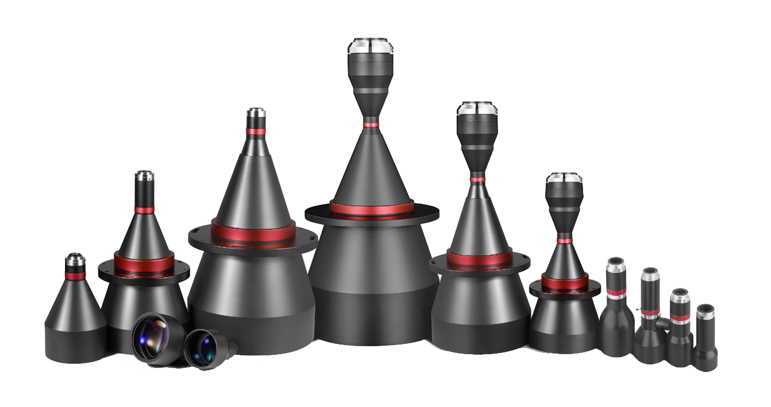
TELECENTRIC LENS | No | Serial | Models
Standard | 1 | STC11 Double Telecentric Lens | 227
 | 2 | STC21 Manual Iris Double Telecentric Lens | 19
 | 3 | STC31 Telecentric LED Lighting | 20
 | 4 | STC12 AOI Telecentric Lens | 27
 | 5 | STC22 Megapixel Telecentric Lens | 54
 | 6 | STC32 Standard Telecentric Lens | 51
 | Total |  | 398

Contact: fany@soyocctv.com |  | www.soyocctv.com | Skype/Wechat: soyocctv

